Pricing TEMP
FACTORY DETAILS |  | CUSTOMER
Name of Company:
Country of Origin:
Your Shipping Port:
Type of Company you operate as:
Company Website:
Contact Person:
Telephone Number:
Email Address:

PRICING DETAILS
DATE OF PRICING: | 2025-05-01
FACTORY ACCOUNT CONTACT PERSON:
PRICING VALID FOR ORDERS PLACED BY: | 2025-05-30
PRICING VALID FOR SHIPMENTS UNTIL: | 3 months
FACTORY PAYMENT TERMS

FACTORY QUALITY ACCREDITATIONS / CERTIFICATES

 |  |  |  |  |  |  |  |  |  |  |  |  |  |  |  | CONTAINER PACKING (CASES) |  |  |  |  |  |  |  | MOQ's (CASES) |  |  | CASE DIMENSIONS |  |  |  |  |  | LEADTIMES |  |  | ADDITIONAL COSTS
Supplier Name | Factory Item Code | Image | Product Description | BASIC PRODUCT SPEC | Unit Size | # Units per Case/Carton: | PACKAGING SPEC | PRODUCT SHELF LIFE | PRODUCT HS CODE | CURRENCY | PRICE PER / UNIT | PRICE PER / CASE | INCOTERM (eg. EXW / FOB / CFR) | ORIGIN | PORT OF LOADING | 20ft | 40ft | 40ft HQ | GP / REEFER | PALLETISED / HANDSTACKED | PALLET CONFIGURATIONS (if palletised) PER Pallet( | TRUCKLOAD (LOCAL) | CASES PER PALLET | PRINTING | PRODUCTION | ORDER | LENGTH (MM) | WIDTH (MM) | HEIGHT (MM) | WEIGHT PER CASE (KG) | TI'S | HI'S | PRINTING LEAD TIME | PRODUCTION LEAD TIME | SHIPPING LEAD TIME | PLATE / MOULD COSTS (Where Applicable) | Certificates
Anshan N and M Foods Co.,Ltd | canned chick peas | 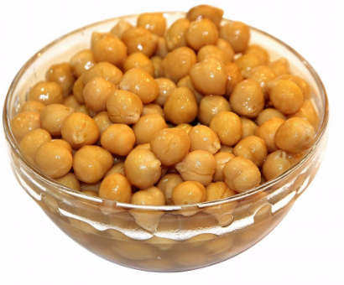 | nw400g dw189g easy open lid. brown or white paper tray | dw189g | 425ml | nw400g*12tins | easy open lid brown or white paper tray | 36 |  | USD | $0.31 |  | FOB | China | DALIAN | 3740 | N/A | N/A |  | N/A | N/A |  |  | 3740 | 3740 | 3740 |  |  |  |  |  |  |  |  |  | NIL | BSCI ,BRC， IFS
Anshan N and M Foods Co.,Ltd | canned mixed vegetables(green peas , carrot , potato green beans) | 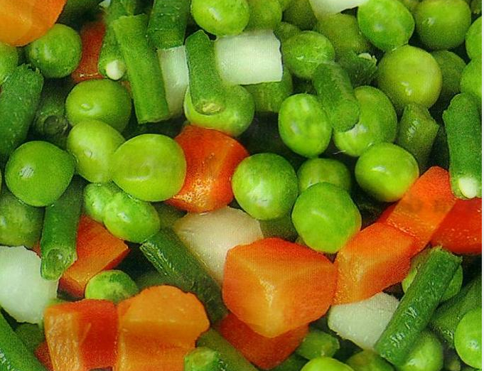 | nw220g dw90g easy open lid. brown or white paper tray | dw90g | 212ml | nw220g*12tins | easy open lid stackable tin brown or white paper tray | 36 |  | USD | $0.20 |  | FOB | China | DALIAN | 6300 | N/A | N/A |  | N/A | N/A |  |  | 6300 | 6300 | 6300 |  |  |  |  |  |  |  |  |  | NIL | BSCI ,BRC， IFS
Anshan N and M Foods Co.,Ltd | canned mixed vegetables(green peas , carrot , potato green beans) |  | nw400g dw189g easy open lid. brown or white paper tray | dw189g | 425ml | nw400g*12tins | easy open lid brown or white paper tray | 36 |  | USD | $0.25 |  | FOB | China | DALIAN | 3740 | N/A | N/A |  | N/A | N/A |  |  | 3740 | 3740 | 3740 |  |  |  |  |  |  |  |  |  | NIL | BSCI ,BRC， IFS
Anshan N and M Foods Co.,Ltd | canned mixed vegetables(green peas , carrot , corn) | 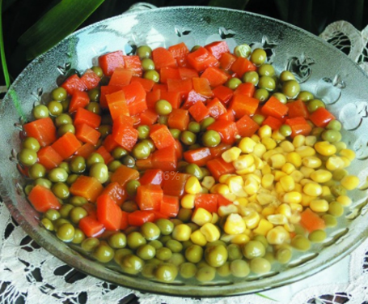 | nw220g dw90g easy open lid. brown or white paper tray | dw90g | 212ml | nw220g*12tins | easy open lid stackable tin brown or white paper tray | 36 |  | USD | $0.21 |  | FOB | China | DALIAN | 6300 | N/A | N/A |  | N/A | N/A |  |  | 6300 | 6300 | 6300 |  |  |  |  |  |  |  |  |  | NIL | BSCI ,BRC， IFS
Anshan N and M Foods Co.,Ltd | canned mixed vegetables(green peas , carrot , corn) | 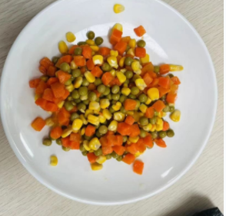 | nw400g dw189g easy open lid. brown or white paper tray | dw189g | 425ml | nw400g*12tins | easy open lid brown or white paper tray | 36 |  | USD | $0.27 |  | FOB | China | DALIAN | 3740 | N/A | N/A |  | N/A | N/A |  |  | 3740 | 3740 | 3740 |  |  |  |  |  |  |  |  |  | NIL | BSCI ,BRC， IFS
Anshan N and M Foods Co.,Ltd | canned green peas and carrot | 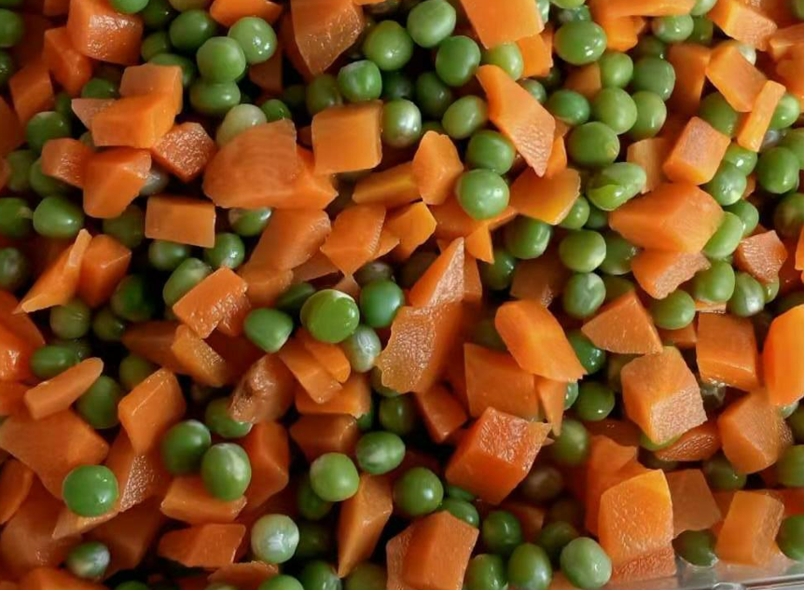 | nw220g dw90g easy open lid. brown or white paper tray | dw90g | 212ml | nw220g*12tins | easy open lid stackable tin brown or white paper tray | 36 |  | USD | $0.18 |  | FOB | China | DALIAN | 6300 | N/A | N/A |  | N/A | N/A |  |  | 6300 | 6300 | 6300 |  |  |  |  |  |  |  |  |  | NIL | BSCI ,BRC， IFS
Anshan N and M Foods Co.,Ltd | canned green peas and carrot |  | nw400g dw189g easy open lid. brown or white paper tray | dw189g | 425ml | nw400g*12tins | easy open lid brown or white paper tray | 36 |  | USD | $0.25 |  | FOB | China | DALIAN | 3740 | N/A | N/A |  | N/A | N/A |  |  | 3740 | 3740 | 3740 |  |  |  |  |  |  |  |  |  | NIL | BSCI ,BRC， IFS
Wide Faith Trading (H.K.) Ltd. |  |  | Rice Crackers - Cheese | RICE + SEASONING | 100G | 12 X 100G | TRAY + FILM | 12 |  | USD |  | 4.85 | FOB | THAILAND | DURBAN | 2560 | 5305 | 6060 |  | HAND | N/A |  |  | 3000 | 500 | 6000 |  |  |  |  |  |  |  | 8 weeks |  | USD 300.00 PER COLOUR | BRC, HACCP, FDA APPROVED
Wide Faith Trading (H.K.) Ltd. |  |  | Rice Crackers - Lime & Black Pepper | RICE + SEASONING | 100G | 12 X 100G | TRAY + FILM | 12 |  | USD |  | 4.60 | FOB | THAILAND | DURBAN | 2560 | 5305 | 6060 |  | HAND | N/A |  |  | 3000 | 500 | 6000 |  |  |  |  |  |  |  | 8 weeks |  | USD 300.00 PER COLOUR | BRC, HACCP, FDA APPROVED
Wide Faith Trading (H.K.) Ltd. |  |  | Rice Crackers - Salt & Vinegar | RICE + SEASONING | 100G | 12 X 100G | TRAY + FILM | 12 |  | USD |  | 4.60 | FOB | THAILAND | DURBAN | 2560 | 5305 | 6060 |  | HAND | N/A |  |  | 3000 | 500 | 6000 |  |  |  |  |  |  |  | 8 weeks |  | USD 300.00 PER COLOUR | BRC, HACCP, FDA APPROVED
Wide Faith Trading (H.K.) Ltd. |  |  | Rice Crackers - Sesame | RICE + SEASONING | 100G | 12 X 100G | TRAY + FILM | 12 |  | USD |  | 4.60 | FOB | THAILAND | DURBAN | 2560 | 5305 | 6060 |  | HAND | N/A |  |  | 3000 | 500 | 6000 |  |  |  |  |  |  |  | 8 weeks |  | USD 300.00 PER COLOUR | BRC, HACCP, FDA APPROVED
Wide Faith Trading (H.K.) Ltd. |  |  | Rice Crackers - Sweet Chilli | RICE + SEASONING | 100G | 12 X 100G | TRAY + FILM | 12 |  | USD |  | 4.60 | FOB | THAILAND | DURBAN | 2560 | 5305 | 6060 |  | HAND | N/A |  |  | 3000 | 500 | 6000 |  |  |  |  |  |  |  | 8 weeks |  | USD 300.00 PER COLOUR | BRC, HACCP, FDA APPROVED
7th sense |  |  | 7th Sense- Chocolate Mousse | Desserts with shelf life of 12 months at ambeint temperature | 90g |  | 90g (1*32 cups) | 12 |  | USD | 0.38 | 12.16 | FOB | India | JNPT | 2502 cases@ 32 cups per case= (80064 cups) |  | 5698 cases@32 cups per case =(182336 cups) |  | HANDSTACKED | 0 | 0 | 0 | 2500 | 800 | 800 |  |  |  |  |  |  |  | 45 days |  |  | Halal, FDA, USFDA, BRC, ETC.
8th sense |  |  | 7th Sense- Dark Chocolate Pudding layered with Chocolate cake | Desserts with shelf life of 12 months at ambeint temperature | 90g |  | 90g (1*32 cups) | 12 |  | USD | 0.38 | 12.16 | FOB | India | JNPT | 2502 cases@ 32 cups per case= (80064 cups) |  | 5698 cases@32 cups per case =(182336 cups) |  | HANDSTACKED | 0 | 0 | 0 | 2500 | 800 | 800 |  |  |  |  |  |  |  | 45 days |  |  | Halal, FDA, USFDA, BRC, ETC.
9th sense |  |  | 7th Sense- Salted Caramel Pudding | Desserts with shelf life of 12 months at ambeint temperature | 90g |  | 90g (1*32 cups) | 12 |  | USD | 0.38 | 12.16 | FOB | India | JNPT | 2502 cases@ 32 cups per case= (80064 cups) |  | 5698 cases@32 cups per case =(182336 cups) |  | HANDSTACKED | 0 | 0 | 0 | 2500 | 800 | 800 |  |  |  |  |  |  |  | 45 days |  |  | Halal, FDA, USFDA, BRC, ETC.
10th sense |  |  | 7th Sense- Caramel Cake Pudding | Desserts with shelf life of 12 months at ambeint temperature | 90g |  | 90g (1*32 cups) | 12 |  | USD | 0.38 | 12.16 | FOB | India | JNPT | 2502 cases@ 32 cups per case= (80064 cups) |  | 5698 cases@32 cups per case =(182336 cups) |  | HANDSTACKED | 0 | 0 | 0 | 2500 | 800 | 800 |  |  |  |  |  |  |  | 45 days |  |  | Halal, FDA, USFDA, BRC, ETC.
11th sense |  |  | 7th Sense- Sticky Toffee Pudding with Date Cake | Desserts with shelf life of 12 months at ambeint temperature | 90g |  | 90g (1*32 cups) | 12 |  | USD | 0.38 | 12.16 | FOB | India | JNPT | 2502 cases@ 32 cups per case= (80064 cups) |  | 5698 cases@32 cups per case =(182336 cups) |  | HANDSTACKED | 0 | 0 | 0 | 2500 | 800 | 800 |  |  |  |  |  |  |  | 45 days |  |  | Halal, FDA, USFDA, BRC, ETC.
12th sense |  |  | 7th Sense- Kheer with Vermicelli & Dryfruits | Desserts with shelf life of 12 months at ambeint temperature | 90g |  | 90g (1*32 cups) | 12 |  | USD | 0.38 | 12.16 | FOB | India | JNPT | 2502 cases@ 32 cups per case= (80064 cups) |  | 5698 cases@32 cups per case =(182336 cups) |  | HANDSTACKED | 0 | 0 | 0 | 2500 | 800 | 800 |  |  |  |  |  |  |  | 45 days |  |  | Halal, FDA, USFDA, BRC, ETC.
13th sense |  |  | 7th Sense- Phirni (Saffron Rice Pudding) | Desserts with shelf life of 12 months at ambeint temperature | 90g |  | 90g (1*32 cups) | 12 |  | USD | 0.38 | 12.16 | FOB | India | JNPT | 2502 cases@ 32 cups per case= (80064 cups) |  | 5698 cases@32 cups per case =(182336 cups) |  | HANDSTACKED | 0 | 0 | 0 | 2500 | 800 | 800 |  |  |  |  |  |  |  | 45 days |  |  | Halal, FDA, USFDA, BRC, ETC.
14th sense |  |  | 7th Sense- Rabri | Desserts with shelf life of 12 months at ambeint temperature | 90g |  | 90g (1*32 cups) | 12 |  | USD | 0.38 | 12.16 | FOB | India | JNPT | 2502 cases@ 32 cups per case= (80064 cups) |  | 5698 cases@32 cups per case =(182336 cups) |  | HANDSTACKED | 0 | 0 | 0 | 2500 | 800 | 800 |  |  |  |  |  |  |  | 45 days |  |  | Halal, FDA, USFDA, BRC, ETC.
15th sense |  |  | 7th Sense- Mango Pudding | Desserts with shelf life of 12 months at ambeint temperature | 90g |  | 90g (1*32 cups) | 12 |  | USD | 0.38 | 12.16 | FOB | India | JNPT | 2502 cases@ 32 cups per case= (80064 cups) |  | 5698 cases@32 cups per case =(182336 cups) |  | HANDSTACKED | 0 | 0 | 0 | 2500 | 800 | 800 |  |  |  |  |  |  |  | 45 days |  |  | Halal, FDA, USFDA, BRC, ETC.
16th sense |  |  | 7th Sense- Pista Kulfi Falooda Mousse | Desserts with shelf life of 12 months at ambeint temperature | 90g |  | 90g (1*32 cups) | 12 |  | USD | 0.38 | 12.16 | FOB | India | JNPT | 2502 cases@ 32 cups per case= (80064 cups) |  | 5698 cases@32 cups per case =(182336 cups) |  | HANDSTACKED | 0 | 0 | 0 | 2500 | 800 | 800 |  |  |  |  |  |  |  | 45 days |  |  | Halal, FDA, USFDA, BRC, ETC.
17th sense |  |  | 7th Sense- Strawberry chia pudding | Desserts with shelf life of 12 months at ambeint temperature | 90g |  | 90g (1*32 cups) | 12 |  | USD | 0.38 | 12.16 | FOB | India | JNPT | 2502 cases@ 32 cups per case= (80064 cups) |  | 5698 cases@32 cups per case =(182336 cups) |  | HANDSTACKED | 0 | 0 | 0 | 2500 | 800 | 800 |  |  |  |  |  |  |  | 45 days |  |  | Halal, FDA, USFDA, BRC, ETC.
18th sense |  |  | 7th Sense- Kesar Custard with Rasogulla | Desserts with shelf life of 12 months at ambeint temperature | 90g |  | 90g (1*32 cups) | 12 |  | USD | 0.38 | 12.16 | FOB | India | JNPT | 2502 cases@ 32 cups per case= (80064 cups) |  | 5698 cases@32 cups per case =(182336 cups) |  | HANDSTACKED | 0 | 0 | 0 | 2500 | 800 | 800 |  |  |  |  |  |  |  | 45 days |  |  | Halal, FDA, USFDA, BRC, ETC.
19th sense |  |  | 7th Sense- Hazelnut Pudding | Desserts with shelf life of 12 months at ambeint temperature | 90g |  | 90g (1*32 cups) | 12 |  | USD | 0.38 | 12.16 | FOB | India | JNPT | 2502 cases@ 32 cups per case= (80064 cups) |  | 5698 cases@32 cups per case =(182336 cups) |  | HANDSTACKED | 0 | 0 | 0 | 2500 | 800 | 800 |  |  |  |  |  |  |  | 45 days |  |  | Halal, FDA, USFDA, BRC, ETC.
 |  |  |  | HARVEST FIELD GRANOLA BERRY MIX | 300G | 14units in 1 carton | Zip-loc standing pouch in aluminium/foil |  |  | EUR
 |  |  |  | HARVEST FIELD GRANOLA-CHOCOLATE | 300G | 14units in 1 carton | Zip-loc standing pouch in aluminium/foil |  |  | EUR
 |  |  |  | HARVEST FIELD GRANOLA NUTS MIX | 300G | 14units in 1 carton | Zip-loc standing pouch in aluminium/foil |  |  | EUR

